FAI

Customer |  | PO # |  | Date Prepared | 2026-04-27
Part Name | Tension Clip | Samples | 5 | Prepared by: | Meng
Part Number | ADDA-110226 | Inch or mm | mm | Revision
FAI | Type (Diameter Length Position etc.) | Method | Cus. Sample | Mfg. Sample 1 | Mfg. Sample 2 | Mfg. Sample 3 | Mfg. Sample 4 | Mfg. Sample 5 | Max Deviation
1a | Length | Caliper | 14.89 | 15.00 | 14.96 | 14.97 | 14.98 | 15.01 | 0.12
1b | Length | Caliper | 12.42 | 12.35 | 12.38 | 12.39 | 12.42 | 12.46 | 0.07
2 | Length | Caliper | 76.23 | 76.11 | 76.07 | 76.11 | 76.14 | 76.16 | 0.16
3 | Length | Caliper | 2.52 | 2.32 | 2.42 | 2.48 | 2.51 | 2.34 | 0.20
4a | Length | Caliper | 5.73 | 5.85 | 5.84 | 5.79 | 5.84 | 5.85 | 0.12
4b | Length | Caliper | 7.76 | 7.55 | 7.52 | 7.59 | 7.53 | 7.55 | 0.24
5 | Length | Caliper | 2.54 | 2.47 | 2.37 | 2.40 | 2.45 | 2.49 | 0.17
6 | Length | Caliper | 1.22 | 1.19 | 1.19 | 1.24 | 1.20 | 1.26 | 0.04
7 | Length | Caliper | 2.50 | 2.48 | 2.54 | 2.48 | 2.50 | 2.49 | 0.04
8 | Length | Caliper | 10.14 | 10.31 | 10.28 | 10.33 | 10.31 | 10.31 | 0.19
9 | Length | Caliper | 6.30 | 6.19 | 6.21 | 6.21 | 6.20 | 6.20 | 0.11
10 | Length | Caliper | 3.12 | 3.19 | 3.20 | 3.20 | 3.20 | 3.21 | 0.09
11 | Length | Caliper | 12.81 | 12.50 | 12.56 | 12.49 | 12.49 | 12.57 | 0.32
12 | Length | Caliper | 2.46 | 2.55 | 2.57 | 2.52 | 2.53 | 2.56 | 0.11
13 | Length | Caliper | 17.27 | 16.68 | 16.99 | 17.00 | 17.24 | 16.84 | 0.59
15 | Length | Caliper | 89.85 | 89.87 | 90.02 | 89.98 | 90.03 | 89.93 | 0.18
16 | Length | Caliper | 10.71 | 10.70 | 10.85 | 10.73 | 10.84 | 10.68 | 0.14
17 | Length | Caliper | 3.67 | 3.73 | 3.82 | 3.74 | 3.77 | 3.70 | 0.15
18 | Length | Caliper | 32.33 | 32.03 | 31.99 | 31.88 | 32.06 | 32.00 | 0.45
19 | Length | Caliper | 1.72 | 1.70 | 1.70 | 1.69 | 1.69 | 1.70 | 0.03
20 | Length | Caliper | 3.54 | 3.63 | 3.72 | 3.66 | 3.69 | 3.62 | 0.18
21 | Weight | Scale | 12.00 | 11.00 | 10.00 | 11.00 | 10.00 | 11.00 | 2.00

Print Page 1
12
2
13
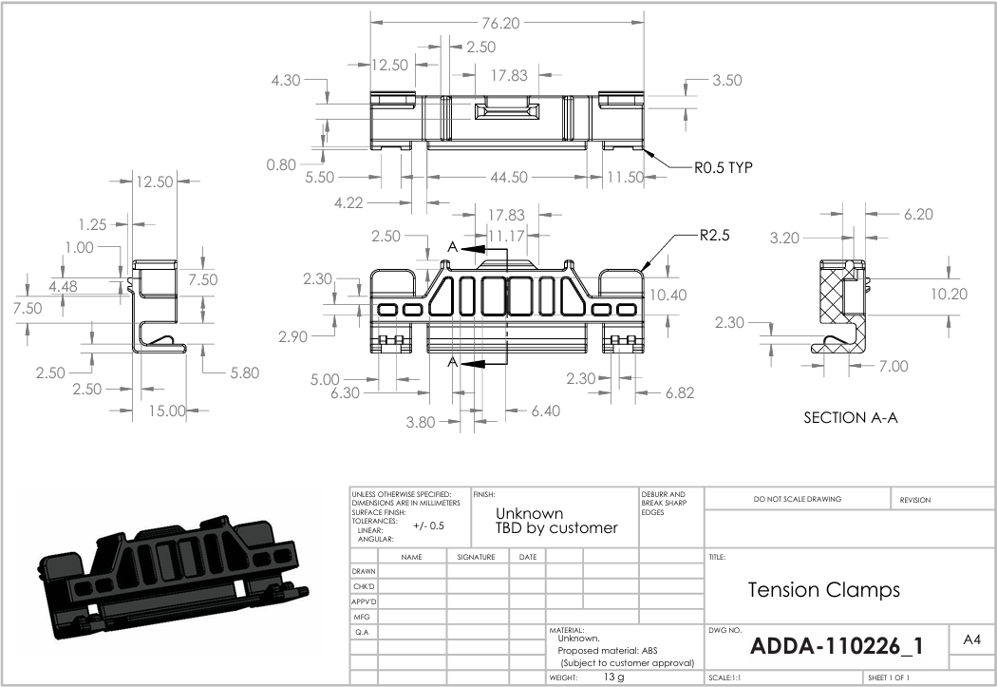
11

1b

6
9
14
10
7

4b
8

5

3
4a

1a

Print Page 2
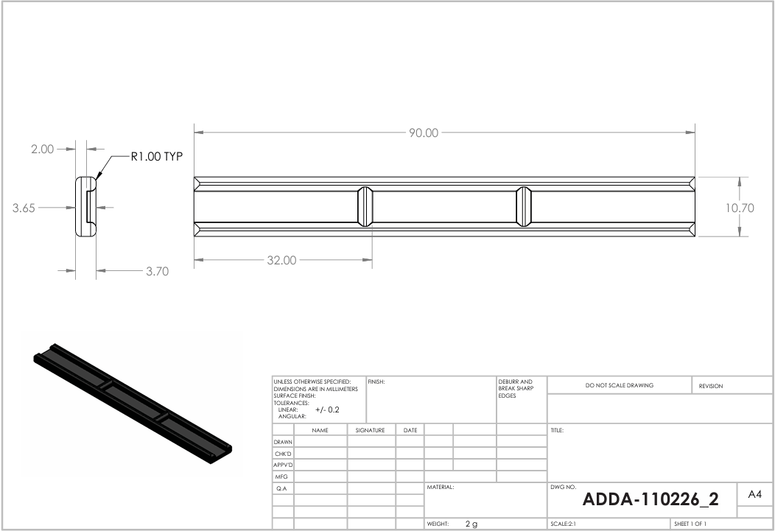

15

19

20
16

18
17

